Sheet1
 |  |  | 1st task | 2nd task

Year | Effort (e.g. # vessels) | Catch (Yield) | CPUE | Predicted Yield
1950 | 11 | 550 | 50 | 476.157 |  | equation | Why? | 1. | your model is the a linear regression with a slope (a) and interception (b) parameters
1955 | 24 | 700 | 29.166666667 | 882.576 |  |  |  | 2. | E.g. for 1950; multiply effort (#11) by -0,501 and then add 48,798. You will obtain 43,287
1959 | 30 | 950 | 31.666666667 | 1013.04 |  |  |  | 3. | You want predicted yield (catch) not predicted CPUE - thus, you have to multiply by 11
1951 | 45 | 1300 | 28.888888889 | 1181.385 |  |  |  | 4. | you will obtain 476,157
1960 | 59 | 1250 | 21.186440678 | 1135.101
1954 | 61 | 990 | 16.229508197 | 1112.457
1956 | 73 | 800 | 10.95890411 | 892.425
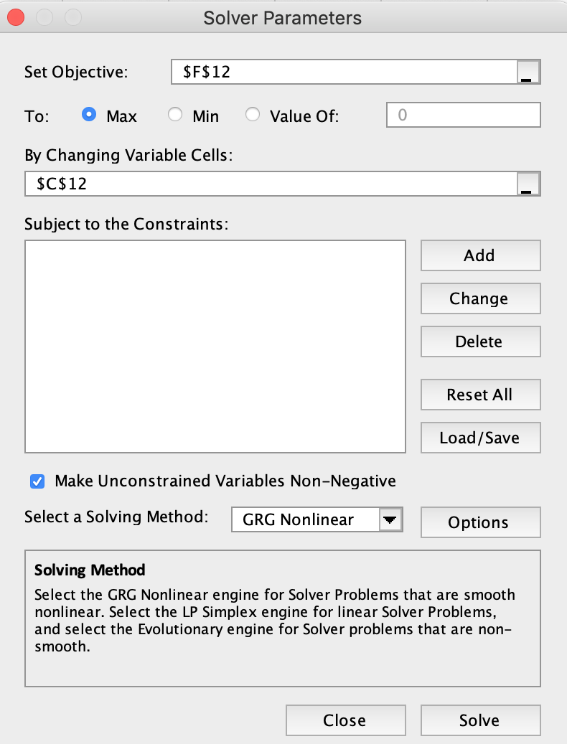
1952 | 82 | 620 | 7.5609756098 | 632.712
1953 | 90 | 500 | 5.5555555556 | 333.72

MSY | 48.7 |  |  | 1188 | (data obtained with "Solver" - in Tools - Excel Add_ins)
 |  |  |  |  | (data obtained after selecting, for instance, cell F12)
 |  | 1st task

 |  | b | 48.798
 |  | a | 0.501

 |  | 2nd task

